2018 and 2019
For 2018-2019, use data below, by visual approximation.

2018 | 205
2019 | 350

https://www.cpuc.ca.gov/uploadedFiles/CPUCWebsite/Content/UtilitiesIndustries/Energy/EnergyPrograms/ElectPowerProcurementGeneration/irp/2018/IRP_MAG_20190617_CoreInputs.pdf

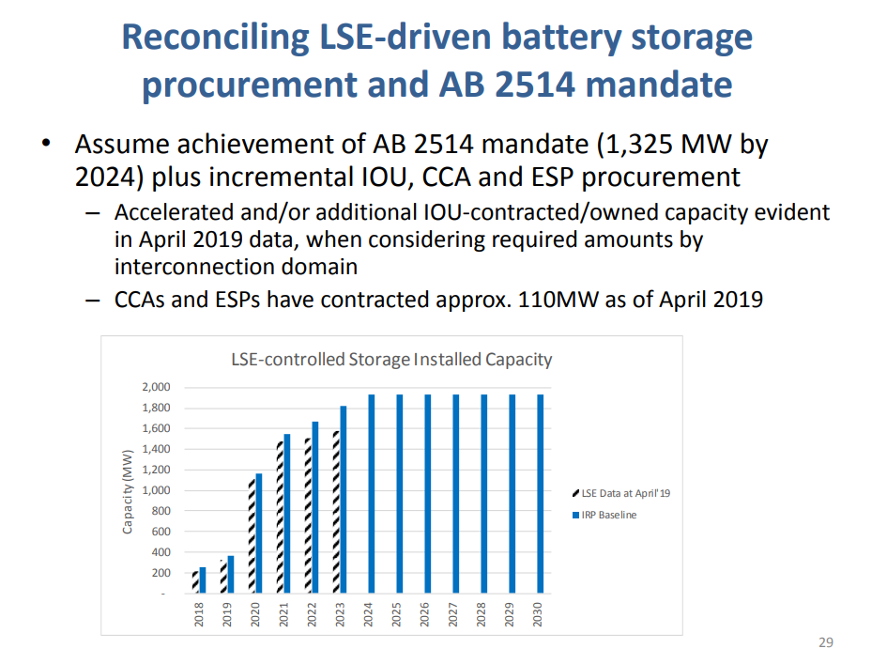

https://www.energy.ca.gov/sites/default/files/2019-12/energy_storage_ada.pdf
Of this total, about 332 MW are on-line. (See Table 1.) Projects procured under AB 2514 must be installed by 2024.

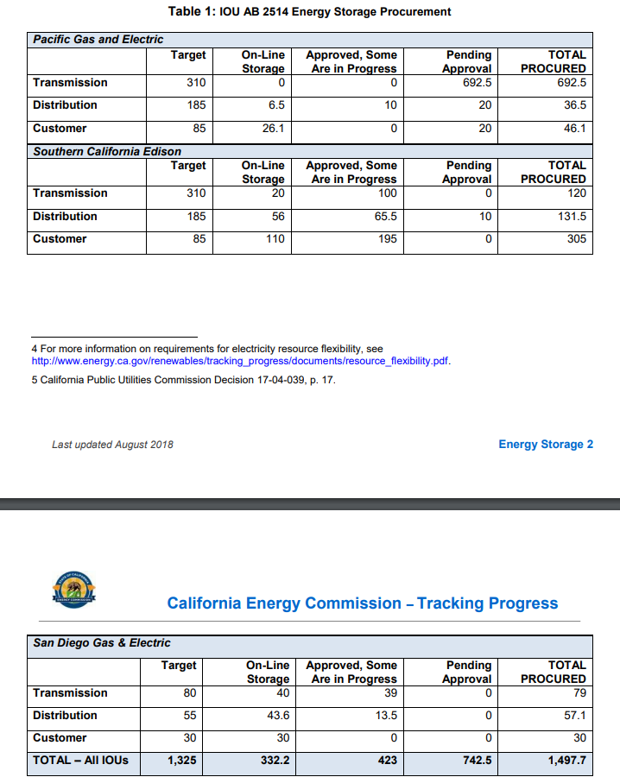
 |  | Total | 332
 |  | BTM | 108.5
 |  | LSE | 223.5 | Aug 2018 data based on note below table 1

Resolve output
 |  | 2020 | 2021 | 2022 | 2023 | 2024 | 2025 | 2026 | 2027 | 2028 | 2029 | 2030
Battery Storage 38 MMT Case | MW | 2,030 | 2,859 | 2,859 | 3,095 | 6,827 | - | 9,983 | - | - | - | 15,222
interpolate 2025 |  | 2,030 | 2,859 | 2,859 | 3,095 | 6,827 | 8,405.03 | 9,983
 |  |  |  |  |  |  |  |  |  |  |  |  | 15.8 | 2030 storage capacity in summary metrics:
15.8 | Use result from summary metrics in presentation, which differs by 578 |  |  |  |  |  |  |  |  |  |  |  | 578 | Difference with summary metrics presentation and Resolve output viewer.
578 | MW to add to years 2024-2026

True up with presentation value |  | 2,030 | 2,859 | 2,859 | 3,095 | 6,827 | 8,694 | 10,561 |  |  |  |  |  | Use summary metrics value.
 |  |  |  |  |  |  |  |  |  |  |  |  |  | Add to earlier years
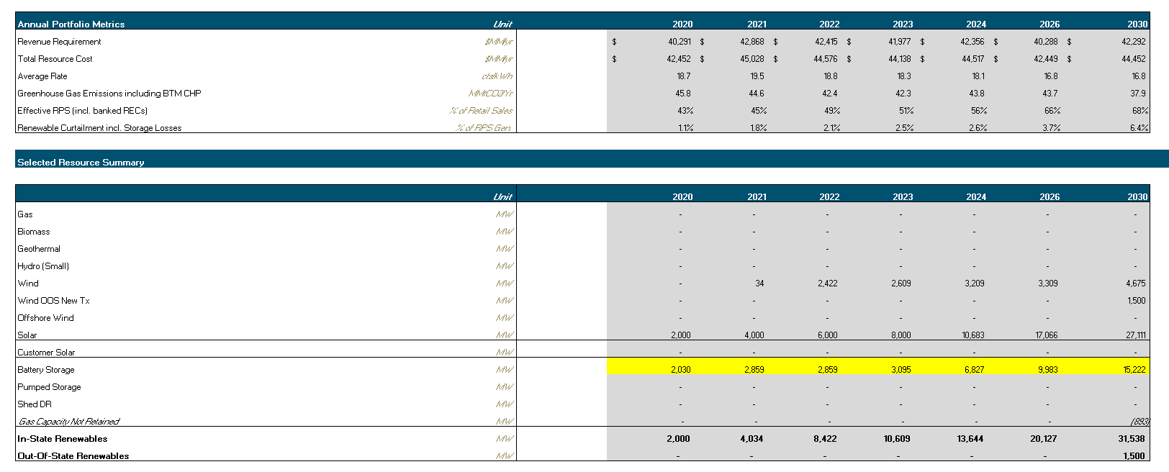
 |  |  |  |  |  |  |  |  |  |  |  |  | 11.4 | 46 MMT case - 2030 storage capacity in summary metrics:

Scenarios - 2030 comparison
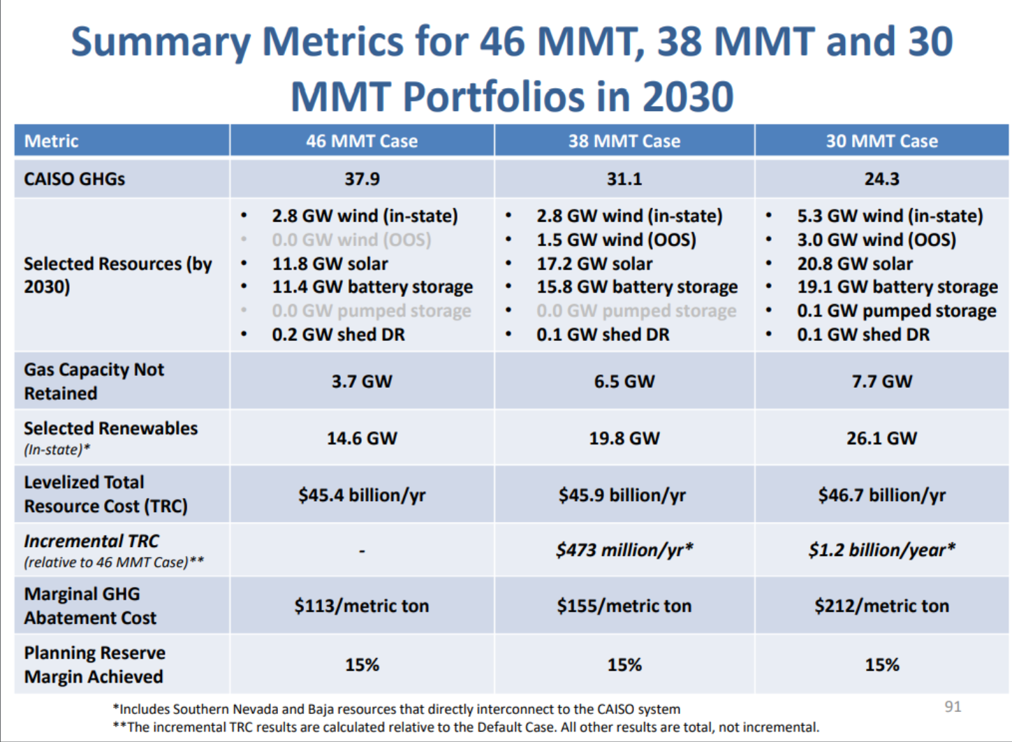
Difference between 46 MMT and 38 MMT case: | 4.4
38 MMT case - 2030 storage capacity in summary metrics: | 15.8
46 MMT case - 2030 storage capacity in summary metrics: | 11.4

Scenarios- graphical over time
